Looks
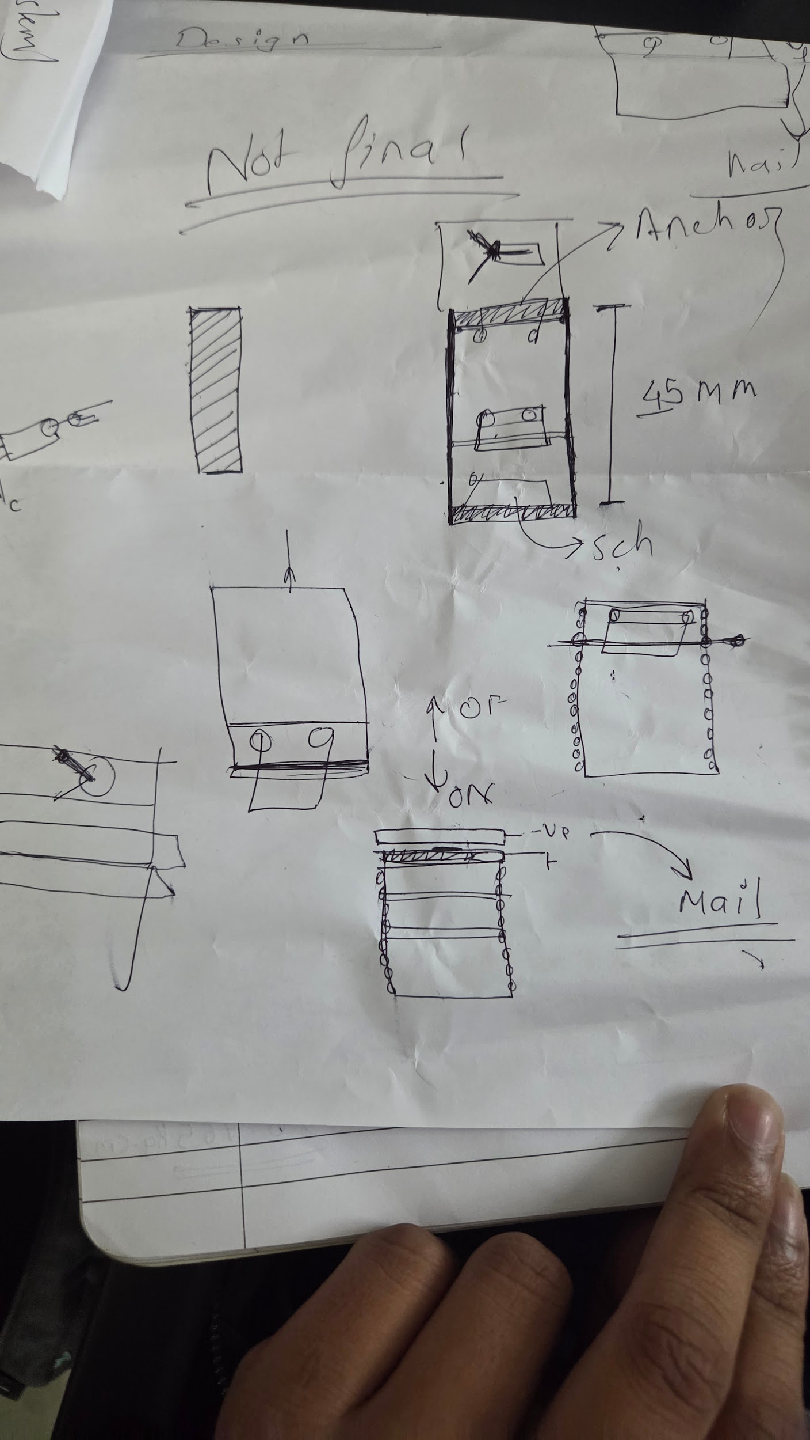
mg 90 servo rack and penion

